Sheet1
Sr. No. | Name | Designation | Working Department | Teacher Code | Qualification | Date Of Joining | Registration Board & Name | Regstratio No. | Photo
1 | Dr. Kalyanakumar Swami Kardi | Principal / Medical Superintendent | Hospital | AYDG00120 | B.A.M.S., M.D. | 3-Nov-25 | Board of Ayurvedic and Unani, Tibbi Systems of Medicine, Lucknow, Uttar Pradesh | 65918 | 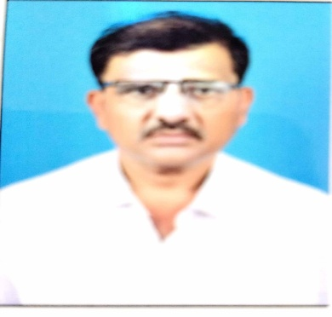
2 | Dr. Yogita Jain | Associate Professor / Reader | Rog Nidan Evam Vikriti Vigyanam | AYRN00239 | B.A.M.S., M.D. (Rog Nidan) | 1-Oct-24 | Board of Ayurvedic and Unani, Tibbi Systems of Medicine, Lucknow, Uttar Pradesh | 61419 | 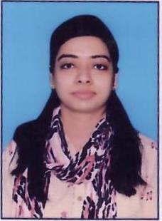
3 | Dr. Chandrika Adhikary | Associate Professor / Reader | Rog Nidan Evam Vikriti Vigyanam | AYRN01307 | B.A.M.S., M.D. (Rog Nidan) | 8-Jul-25 | Paschim Banga Ayurved Parishad | 12628 | 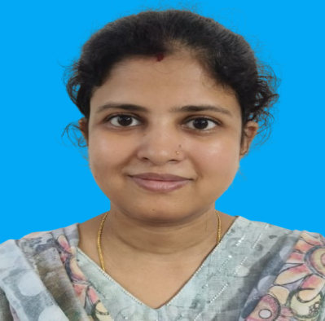
4 | Dr. Samarth Prakash Rao Kotasthane | Associate Professor / Reader | Ayurved Samhita & Siddhant | AYSS00947 | BAMS,Ayurveda Vachaspati - M.D. (Ayurveda Samhita & Sidhanta) | 11-Dec-23 | Maharashtra Council Of Indian Medicine Mumbai | I-57611-A | 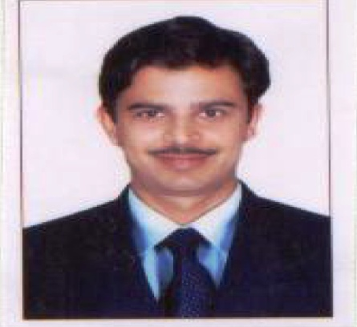
5 | Mr. ABHISHEK KUMAR RAJBHAR | Assistant Professor/Lecturer | Ayurved Samhita & Siddhant (Sanskrit) | AYSN00642 | M.A. Sanskrit | 9-Oct-23 | NA | NA | 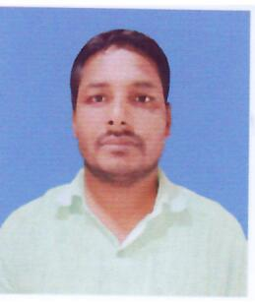
6 | Dr. Deepak Sharma | Assistant Professor/Lecturer | Ayurved Samhita & Siddhant (Sanskrit) | AYSS02026 | B.A.M.S., Ayurveda Vachaspati - M.D. (Ayurveda Samhita & Sidhanta) | 27-Jul-24 | Board of Ayurvedic and Unani, Tibbi Systems of Medicine, Lucknow,Uttar Pradesh | 64976 | 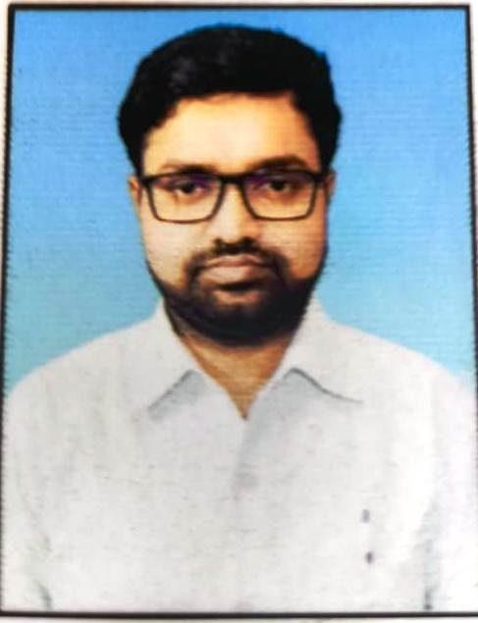
7 | DR. Niladari Bihari Mishra | Associate Professor/Reader | Kriya Sharir | AYKS00067 | B.A.M.S., Ayurveda Vachaspati - M.D. (Kriya Sharir) | 13-Aug-24 | Board of Ayurvedic and Unani, Tibbi Systems of Medicine, Lucknow,Uttar Pradesh | 70836 | 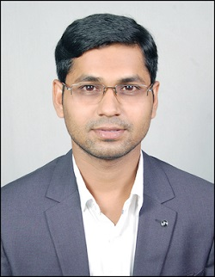
8 | Dr. Satya Prakash Patel | Assistant Professor | Kriya Sharir | AYKS01196 | B.A.M.S., Ayurveda Vachaspati - M.D. (Kriya Sharir) | 30-Dec-23 | Board of Ayurvedic and Unani, Tibbi Systems of Medicine,Uttar Pradesh | 62621 | 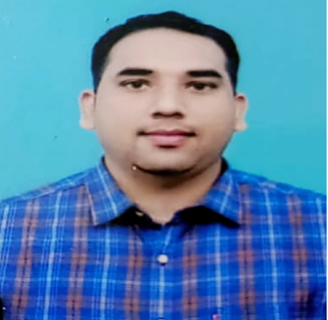
9 | Dr. Saurabh Rahi | Assistant Professor | Kriya Sharir | AYKS01353 | B.A.M.S , Ayurveda Vachaspati M.D ( Kriya Sharir ) | 3-Mar-25 | Board of Ayurvedic and Unani, Tibbi Systems of Medicine, Lucknow,Uttar Pradesh | 66622 | 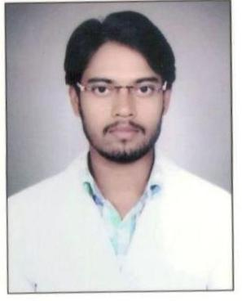
10 | Dr. Dhiraj Kumar Gupta | Assistant Professor/ Consultant | Shalakya Tantra | AYST02427 | B.A.M.S., M.S. | 1-Jan-22 | Bharatiy Chikitsa Parisad UP | 52467 | 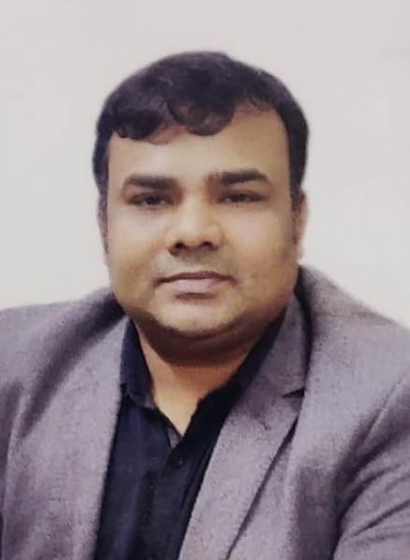
11 | Dr. Dolly Kumari | Assistant Professor/ Consultant | Pancha Karma | AYPK01482 | B.A.M.S., M.D. | 16-Mar-24 | Board of Ayurvedic and Unani Tibbi System of Medicine ,Lucknow U.P. | 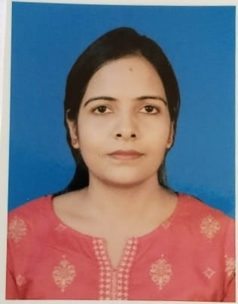 74156
12 | Dr. Rudra Prasad | Assistant Professor/ Consultant | SwasthaVritta | AYSV01004 | B.A.M.S.,M.D. | 30-Dec-23 | Bord Of Ayurvedic And unani Tibbi System Of Medicine U.P. | 62606 | 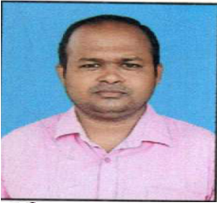
13 | Dr. Shyam Sunder Singh | Assistant Professor/ Consultant | Kaumarbhritya | AYPS01147 | B.A.M.S., M.S. | 1-Jan-25 | Board of Ayurvedic and Unani, Tibbi Systems of Medicine, Lucknow,Uttar Pradesh | 56697 | 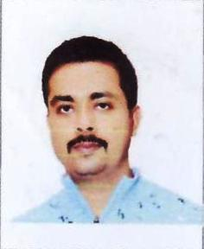
14 | Dr. Asish Hazra | Assistant Professor/Lecturer | Kaya Chikitsa | AYKC04139 | B.A.M.S, M.D. | 8-Jul-25 | Paschim Banga Ayurved Parishad | 12576 | 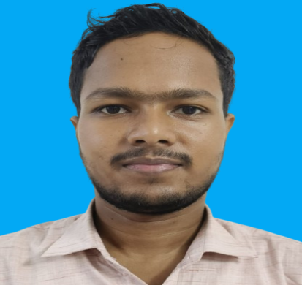 —
15 | Dr. Prem Kumar | Assistant Professor/ Consultant | Shalya | AYST02700 | B.A.M.S.,Ayurveda Dhanvantri - M.S. (Shalya) | 3-Mar-25 | Board of Ayurvedic and Unani, Tibbi Systems of Medicine, Lucknow,Uttar Pradesh | 66551 | 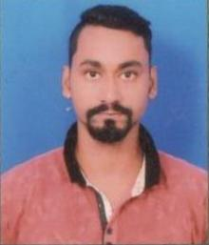
16 | Dr. Sutapamati Rath | Assistant Professor/Lecturer | Rasa Shastra & Bhaishajya Kalpana | AYRB01828 | B.A.M.S., Ayurveda Vachaspati - M.D. (Bhaishajya Kalpana) | 31-Jul-24 | Board of Ayurvedic and Unani, Tibbi Systems of Medicine, Lucknow,Uttar Pradesh | 69645 | 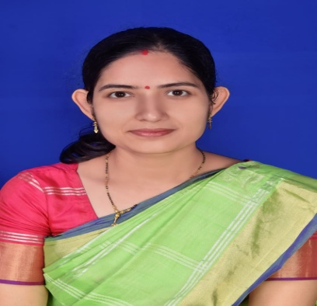
17 | Dr Ajay Kumar | Assistant Professor/Lecturer | Agad Tantra avam Vidhi Vaidyaka | AYAT00607 | B.A.M.S., Ayurveda Vachaspati - M.D. (Agad Tantra avam Vidhi Vaidyaka ) | 1-May-24 | Board of Ayurvedic and Unani, Tibbi Systems of Medicine,Uttar Pradesh | 62353 | 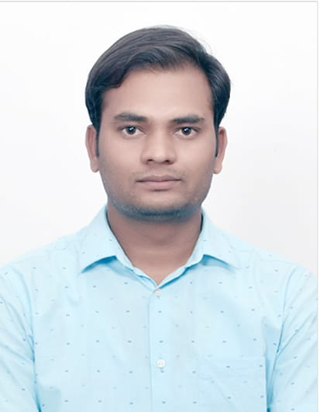
18 | Dr. Prabir Naskar | Assistant Professor/Lecturer | Dravyaguna Vijnana | AYDG01804 | B.A.M.S , Ayurveda Vachaspati M.D ( Dravyaguna Vigyana) | 18-06-2025 | Paschim Banga Ayurved Parishad | 12472 | 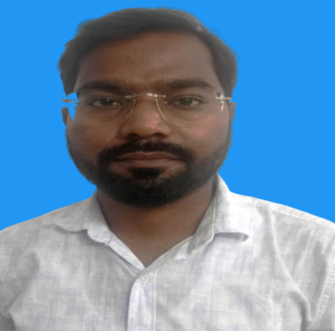
19 | Dr. Vivekanand Narayan Gogle | Assistant Professor/Lecturer | Rachana Sharir | AYRS01385 | B.A.M.S , Ayurveda Vachaspati M.D ( Rachana Sharir) | 24-Feb-26 | Maharashtra Council Of Indian Medicine Mumbai | I-69072-A | 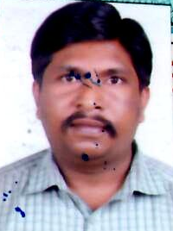
20 | Dr. Abhay Madhurao Kaddu | Assistant Professor/Lecturer | Rasa Shastra & Bhaishajya Kalpana | AYRB01235 | B.A.M.S , Ayurveda Vachaspati M.D ( Rasa Shastra ) | 10-Dec-25 | Maharashtra Council Of Indian Medicine Mumbai | I29016 A1 | 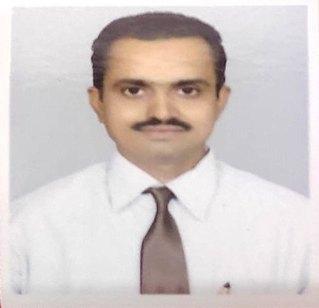
21 | Dr. Arun Das | Assistant Professor/Lecturer | Shalakya Tantra | AYSK01128 | B.A.M.S., Ayurveda Vachaspati - M.D. | 20-Dec-25 | THE COUNCIL OF INDIAN SYSTEM OF MEDICINE KERALA STATE | 24946 | 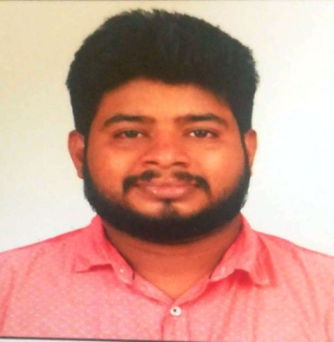
22 | Dr. Sadakat Basrat Ali | Associate Professor / Reader | SWASTHVRITTYA | AYKC02669 | B.A.M.S., Ayurveda Vachaspati - M.D. (Kaya chikitsha) | 20-Dec-25 | THE COUNCIL OF INDIAN SYSTEM OF MEDICINE KERALA STATE | I 63095 A | 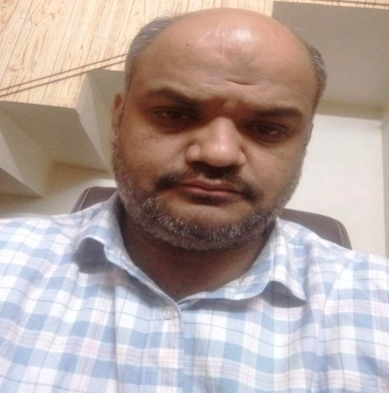
23 | Dr. Romesh Kumar Jaiswal | Associate Professor / Reader | Agad Tantra avam Vidhi Vaidyaka | AYAT00405 | B.A.M.S , Ayurveda Vachaspati M.D ( Agad Tantra) | 15-Dec-25 | Board of Ayurvedic and Unani, Tibbi Systems of Medicine, Lucknow,Uttar Pradesh | 61001 | 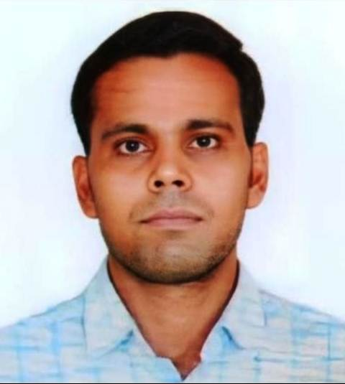
24 | Dr. Murki Anita | Professor | Rachana Sharir | AYRS00029 | B.A.M.S , Ayurveda Vachaspati M.D (Rachana Sharir ) | 1-Jan-26 | Karnataka ayuarvedic & unani practitioners Board Benlaru karnataka | 13400 | 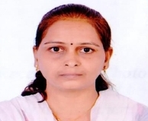
25 | Dr. Sarita Mishra | PROFESSOR | Prasuti & stri roga | AYPS00861 | B.A.M.S , Ayurveda Vachaspati M.D (Prasuti & stri roga ) | 28-Nov-25 | Board of Ayurvedic and Unani, Tibbi Systems of Medicine, Lucknow,Uttar Pradesh | 53496 | 